Sheet1
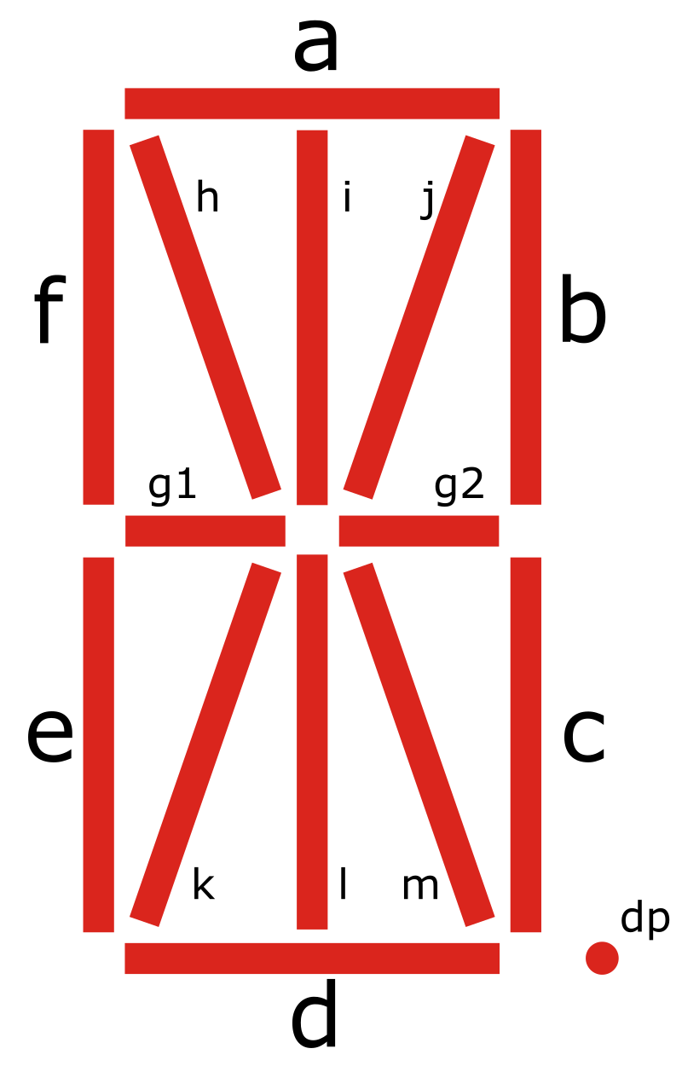
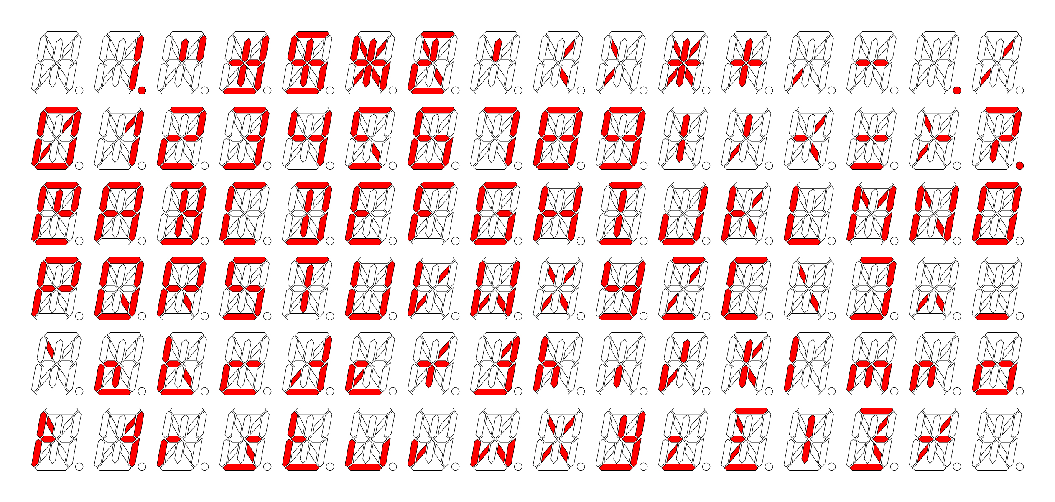
 | a | b | c | d | e | f | g1 | g2 | h | i | j | k | l | m
0 | 1 | 1 | 1 | 1 | 1 | 1 | 0 | 0 | 0 | 0 | 1 | 1 | 0 | 0 | S_A + S_B + S_C + S_D + S_E + S_F + 0 + 0 + 0 + 0 + S_J + S_K + 0 + 0
1 | 0 | 1 | 1 | 0 | 0 | 0 | 0 | 0 | 0 | 0 | 1 | 0 | 0 | 0 | 0 + S_B + S_C + 0 + 0 + 0 + 0 + 0 + 0 + 0 + S_J + 0 + 0 + 0
2 | 1 | 1 | 0 | 1 | 1 | 0 | 1 | 1 | 0 | 0 | 0 | 0 | 0 | 0 | S_A + S_B + 0 + S_D + S_E + 0 + S_G1 + S_G2 + 0 + 0 + 0 + 0 + 0 + 0
3 | 1 | 1 | 1 | 1 | 0 | 0 | 0 | 1 | 0 | 0 | 0 | 0 | 0 | 0 | S_A + S_B + S_C + S_D + 0 + 0 + 0 + S_G2 + 0 + 0 + 0 + 0 + 0 + 0
4 | 0 | 1 | 1 | 0 | 0 | 1 | 1 | 1 | 0 | 0 | 0 | 0 | 0 | 0 | 0 + S_B + S_C + 0 + 0 + S_F + S_G1 + S_G2 + 0 + 0 + 0 + 0 + 0 + 0
5 | 1 | 0 | 1 | 1 | 0 | 1 | 1 | 1 | 0 | 0 | 0 | 0 | 0 | 0 | S_A + 0 + S_C + S_D + 0 + S_F + S_G1 + S_G2 + 0 + 0 + 0 + 0 + 0 + 0
6 | 1 | 0 | 1 | 1 | 1 | 1 | 1 | 1 | 0 | 0 | 0 | 0 | 0 | 0 | S_A + 0 + S_C + S_D + S_E + S_F + S_G1 + S_G2 + 0 + 0 + 0 + 0 + 0 + 0
7 | 1 | 0 | 0 | 0 | 0 | 0 | 0 | 0 | 0 | 0 | 1 | 0 | 1 | 0 | S_A + 0 + 0 + 0 + 0 + 0 + 0 + 0 + 0 + 0 + S_J + 0 + S_L + 0
8 | 1 | 1 | 1 | 1 | 1 | 1 | 1 | 1 | 0 | 0 | 0 | 0 | 0 | 0 | S_A + S_B + S_C + S_D + S_E + S_F + S_G1 + S_G2 + 0 + 0 + 0 + 0 + 0 + 0
9 | 1 | 1 | 1 | 0 | 0 | 1 | 1 | 1 | 0 | 0 | 0 | 0 | 0 | 0 | S_A + S_B + S_C + 0 + 0 + S_F + S_G1 + S_G2 + 0 + 0 + 0 + 0 + 0 + 0

A | 1 | 1 | 1 | 0 | 1 | 1 | 1 | 1 | 0 | 0 | 0 | 0 | 0 | 0 | S_A + S_B + S_C + 0 + S_E + S_F + S_G1 + S_G2 + 0 + 0 + 0 + 0 + 0 + 0
B | 1 | 1 | 1 | 1 | 0 | 0 | 0 | 1 | 0 | 1 | 0 | 0 | 1 | 0 | S_A + S_B + S_C + S_D + 0 + 0 + 0 + S_G2 + 0 + S_I + 0 + 0 + S_L + 0
C | 1 | 0 | 0 | 1 | 1 | 1 | 0 | 0 | 0 | 0 | 0 | 0 | 0 | 0 | S_A + 0 + 0 + S_D + S_E + S_F + 0 + 0 + 0 + 0 + 0 + 0 + 0 + 0
D | 1 | 1 | 1 | 1 | 0 | 0 | 0 | 0 | 0 | 1 | 0 | 0 | 1 | 0 | S_A + S_B + S_C + S_D + 0 + 0 + 0 + 0 + 0 + S_I + 0 + 0 + S_L + 0
E | 1 | 0 | 0 | 1 | 1 | 1 | 1 | 0 | 0 | 0 | 0 | 0 | 0 | 0 | S_A + 0 + 0 + S_D + S_E + S_F + S_G1 + 0 + 0 + 0 + 0 + 0 + 0 + 0
F | 1 | 0 | 0 | 0 | 1 | 1 | 1 | 0 | 0 | 0 | 0 | 0 | 0 | 0 | S_A + 0 + 0 + 0 + S_E + S_F + S_G1 + 0 + 0 + 0 + 0 + 0 + 0 + 0
G | 1 | 0 | 1 | 1 | 1 | 1 | 0 | 1 | 0 | 0 | 0 | 0 | 0 | 0 | S_A + 0 + S_C + S_D + S_E + S_F + 0 + S_G2 + 0 + 0 + 0 + 0 + 0 + 0
H | 0 | 1 | 1 | 0 | 1 | 1 | 1 | 1 | 0 | 0 | 0 | 0 | 0 | 0 | 0 + S_B + S_C + 0 + S_E + S_F + S_G1 + S_G2 + 0 + 0 + 0 + 0 + 0 + 0
I | 1 | 0 | 0 | 1 | 0 | 0 | 0 | 0 | 0 | 1 | 0 | 0 | 1 | 0 | S_A + 0 + 0 + S_D + 0 + 0 + 0 + 0 + 0 + S_I + 0 + 0 + S_L + 0
J | 0 | 1 | 1 | 1 | 1 | 0 | 0 | 0 | 0 | 0 | 0 | 0 | 0 | 0 | 0 + S_B + S_C + S_D + S_E + 0 + 0 + 0 + 0 + 0 + 0 + 0 + 0 + 0
K | 0 | 0 | 0 | 0 | 1 | 1 | 1 | 0 | 0 | 0 | 1 | 0 | 0 | 1 | 0 + 0 + 0 + 0 + S_E + S_F + S_G1 + 0 + 0 + 0 + S_J + 0 + 0 + S_M
L | 0 | 0 | 0 | 1 | 1 | 1 | 0 | 0 | 0 | 0 | 0 | 0 | 0 | 0 | 0 + 0 + 0 + S_D + S_E + S_F + 0 + 0 + 0 + 0 + 0 + 0 + 0 + 0
M | 0 | 1 | 1 | 0 | 1 | 1 | 0 | 0 | 1 | 0 | 1 | 0 | 0 | 0 | 0 + S_B + S_C + 0 + S_E + S_F + 0 + 0 + S_H + 0 + S_J + 0 + 0 + 0
N | 0 | 1 | 1 | 0 | 1 | 1 | 0 | 0 | 1 | 0 | 0 | 0 | 0 | 1 | 0 + S_B + S_C + 0 + S_E + S_F + 0 + 0 + S_H + 0 + 0 + 0 + 0 + S_M
O | 1 | 1 | 1 | 1 | 1 | 1 | 0 | 0 | 0 | 0 | 0 | 0 | 0 | 0 | S_A + S_B + S_C + S_D + S_E + S_F + 0 + 0 + 0 + 0 + 0 + 0 + 0 + 0
P | 1 | 1 | 0 | 0 | 1 | 1 | 1 | 1 | 0 | 0 | 0 | 0 | 0 | 0 | S_A + S_B + 0 + 0 + S_E + S_F + S_G1 + S_G2 + 0 + 0 + 0 + 0 + 0 + 0
Q | 1 | 1 | 1 | 1 | 1 | 1 | 0 | 0 | 0 | 0 | 0 | 0 | 0 | 1 | S_A + S_B + S_C + S_D + S_E + S_F + 0 + 0 + 0 + 0 + 0 + 0 + 0 + S_M | Segment A = 0000 0000 0001 0000 | 16
R | 1 | 1 | 0 | 0 | 1 | 1 | 1 | 1 | 0 | 0 | 0 | 0 | 0 | 1 | S_A + S_B + 0 + 0 + S_E + S_F + S_G1 + S_G2 + 0 + 0 + 0 + 0 + 0 + S_M | Segment B = 0001 0000 0000 0000 | 4096
S | 1 | 0 | 1 | 1 | 0 | 1 | 1 | 1 | 0 | 0 | 0 | 0 | 0 | 0 | S_A + 0 + S_C + S_D + 0 + S_F + S_G1 + S_G2 + 0 + 0 + 0 + 0 + 0 + 0 | Segment C = 0100 0000 0000 0000 | 16384
T | 1 | 0 | 0 | 0 | 0 | 0 | 0 | 0 | 0 | 1 | 0 | 0 | 1 | 0 | S_A + 0 + 0 + 0 + 0 + 0 + 0 + 0 + 0 + S_I + 0 + 0 + S_L + 0 | Segment D = 0000 1000 0000 0000 | 2048
U | 0 | 1 | 1 | 1 | 1 | 1 | 0 | 0 | 0 | 0 | 0 | 0 | 0 | 0 | 0 + S_B + S_C + S_D + S_E + S_F + 0 + 0 + 0 + 0 + 0 + 0 + 0 + 0 | Segment E = 0000 0000 0000 0100 | 4
V | 0 | 0 | 0 | 0 | 1 | 1 | 0 | 0 | 0 | 0 | 1 | 1 | 0 | 0 | 0 + 0 + 0 + 0 + S_E + S_F + 0 + 0 + 0 + 0 + S_J + S_K + 0 + 0 | Segment F = 0000 0000 0000 0010 | 2
W | 0 | 1 | 1 | 0 | 1 | 1 | 0 | 0 | 0 | 0 | 0 | 1 | 0 | 1 | 0 + S_B + S_C + 0 + S_E + S_F + 0 + 0 + 0 + 0 + 0 + S_K + 0 + S_M | Segment G1 = 0000 0000 0100 0000 | 64
X | 0 | 0 | 0 | 0 | 0 | 0 | 0 | 0 | 1 | 0 | 1 | 1 | 0 | 1 | 0 + 0 + 0 + 0 + 0 + 0 + 0 + 0 + S_H + 0 + S_J + S_K + 0 + S_M | Segment G2 = 0010 0000 0000 0000 | 8192
Y | 0 | 1 | 1 | 1 | 0 | 1 | 1 | 1 | 0 | 0 | 0 | 0 | 0 | 0 | 0 + S_B + S_C + S_D + 0 + S_F + S_G1 + S_G2 + 0 + 0 + 0 + 0 + 0 + 0 | Segment H = 0000 0000 0010 0000 | 32
Z | 1 | 0 | 0 | 1 | 0 | 0 | 0 | 0 | 0 | 0 | 1 | 1 | 0 | 0 | S_A + 0 + 0 + S_D + 0 + 0 + 0 + 0 + 0 + 0 + S_J + S_K + 0 + 0 | Segment I = 0000 0010 0000 0000 | 512
 |  |  |  |  |  |  |  |  |  |  |  |  |  |  |  | Segment J = 0000 0001 0000 0000 | 256
+ | 0 | 0 | 0 | 0 | 0 | 0 | 1 | 1 | 0 | 1 | 0 | 0 | 1 | 0 | 0 + 0 + 0 + 0 + 0 + 0 + S_G1 + S_G2 + 0 + S_I + 0 + 0 + S_L + 0 | Segment K = 0000 0000 1000 0000 | 128
_ | 0 | 0 | 0 | 1 | 0 | 0 | 0 | 0 | 0 | 0 | 0 | 0 | 0 | 0 | 0 + 0 + 0 + S_D + 0 + 0 + 0 + 0 + 0 + 0 + 0 + 0 + 0 + 0 | Segment L = 0000 0100 0000 0000 | 1024
| | 0 | 0 | 0 | 0 | 0 | 0 | 0 | 0 | 0 | 1 | 0 | 0 | 1 | 0 | 0 + 0 + 0 + 0 + 0 + 0 + 0 + 0 + 0 + S_I + 0 + 0 + S_L + 0 | Segment M = 1000 0000 0000 0000 | 32768
\ | 0 | 0 | 0 | 0 | 0 | 0 | 0 | 0 | 1 | 0 | 0 | 0 | 0 | 1 | 0 + 0 + 0 + 0 + 0 + 0 + 0 + 0 + S_H + 0 + 0 + 0 + 0 + S_M
/ | 0 | 0 | 0 | 0 | 0 | 0 | 0 | 0 | 0 | 0 | 1 | 1 | 0 | 0 | 0 + 0 + 0 + 0 + 0 + 0 + 0 + 0 + 0 + 0 + S_J + S_K + 0 + 0
< | 0 | 0 | 0 | 0 | 0 | 0 | 0 | 0 | 0 | 0 | 1 | 0 | 0 | 1 | 0 + 0 + 0 + 0 + 0 + 0 + 0 + 0 + 0 + 0 + S_J + 0 + 0 + S_M
> | 0 | 0 | 0 | 0 | 0 | 0 | 0 | 0 | 1 | 0 | 0 | 1 | 0 | 0 | 0 + 0 + 0 + 0 + 0 + 0 + 0 + 0 + S_H + 0 + 0 + S_K + 0 + 0
- | 0 | 0 | 0 | 0 | 0 | 0 | 1 | 1 | 0 | 0 | 0 | 0 | 0 | 0 | 0 + 0 + 0 + 0 + 0 + 0 + S_G1 + S_G2 + 0 + 0 + 0 + 0 + 0 + 0
= | 0 | 0 | 0 | 1 | 0 | 0 | 1 | 1 | 0 | 0 | 0 | 0 | 0 | 0 | 0 + 0 + 0 + S_D + 0 + 0 + S_G1 + S_G2 + 0 + 0 + 0 + 0 + 0 + 0

